Reference Calculator
Input Variables
Purchase price | $800,000 |  |  | Insurance |  | $4,000
Down payment | 20.00% |  |  | Repairs/Maintenance |  | $8,000
Loan amount | $640,000 |  |  | Property tax |  | $10,400
Interest rate (Fixed) | 6.00% |  |  | Initial monthly rent |  | $1,700
Loan maturity (years) | 30 |  |  | Property appreciation |  | 9.00%
Mortgage Payment | $3,837 |  |  | Expense growth (RM&INS) |  | 3.00%
Closing costs | $24,000 |  |  | Rental growth rate |  | 3.00%
Holding period (years) | 30 |  |  | Investment opportunity |  | 7.00%
Selling expenses | 9.00% |  |  | Marginal tax rate |  | 22.00%

Option 1: Buy the house

Year |  | 0 | 1 | 2 | 3 | 4 | 5 | 6 | 7 | 8 | 9 | 10 | 11 | 12 | 13 | 14 | 15 | 16 | 17 | 18 | 19 | 20 | 21 | 22 | 23 | 24 | 25 | 26 | 27 | 28 | 29 | 30
Out flows
Down payment + Origination |  | $184,000
Insurance & Maintenance |  |  | $12,000 | $12,360 | $12,731 | $13,113 | $13,506 | $13,911 | $14,329 | $14,758 | $15,201 | $15,657 | $16,127 | $16,611 | $17,109 | $17,622 | $18,151 | $18,696 | $19,256 | $19,834 | $20,429 | $21,042 | $21,673 | $22,324 | $22,993 | $23,683 | $24,394 | $25,125 | $25,879 | $26,655 | $27,455 | $28,279
Property tax |  |  | $10,400 | $11,336 | $12,356 | $13,468 | $14,680 | $16,002 | $17,442 | $19,012 | $20,723 | $22,588 | $24,621 | $26,836 | $29,252 | $31,884 | $34,754 | $37,882 | $41,291 | $45,007 | $49,058 | $53,473 | $58,286 | $63,532 | $69,249 | $75,482 | $82,275 | $89,680 | $97,751 | $106,549 | $116,138 | $126,591
Mortgage payments |  |  | $46,045 | $46,045 | $46,045 | $46,045 | $46,045 | $46,045 | $46,045 | $46,045 | $46,045 | $46,045 | $46,045 | $46,045 | $46,045 | $46,045 | $46,045 | $46,045 | $46,045 | $46,045 | $46,045 | $46,045 | $46,045 | $46,045 | $46,045 | $46,045 | $46,045 | $46,045 | $46,045 | $46,045 | $46,045 | $46,045

Total: |  | $184,000 | $68,445 | $69,741 | $71,133 | $72,627 | $74,232 | $75,958 | $77,816 | $79,816 | $81,969 | $84,290 | $86,793 | $89,493 | $92,406 | $95,552 | $98,951 | $102,623 | $106,593 | $110,887 | $115,533 | $120,561 | $126,005 | $131,901 | $138,288 | $145,210 | $152,714 | $160,851 | $169,676 | $179,250 | $189,639 | $200,915

In flow
Tax benefits |  | $- | $8,004.97 | $8,104.24 | $8,215.47 | $8,339.92 | $8,478.98 | $8,634.16 | $8,807.15 | $8,999.78 | $9,214.07 | $9,452.24 | $88,046.28 | $95,323.94 | $102,439.47 | $109,384.13 | $116,148.73 | $122,723.64 | $129,098.76 | $135,263.54 | $141,206.90 | $146,917.28 | $152,382.58 | $157,590.16 | $162,526.82 | $167,178.79 | $171,531.72 | $175,570.66 | $179,280.06 | $182,643.74 | $185,644.90 | $188,266.12

Net cash out flow |  | $184,000 | $60,441 | $61,637 | $62,917 | $64,287 | $65,753 | $67,324 | $69,009 | $70,816 | $72,755 | $74,838 | $(1,253) | $(5,831) | $(10,033) | $(13,832) | $(17,198) | $(20,101) | $(22,506) | $(24,376) | $(25,674) | $(26,356) | $(26,378) | $(25,690) | $(24,239) | $(21,968) | $(18,817) | $(14,720) | $(9,604) | $(3,394) | $3,994 | $12,649

Other
Interest payment |  |  | $38,186 | $37,701 | $37,187 | $36,640 | $36,060 | $35,444 | $34,791 | $34,096 | $33,359 | $32,577 | $387,790 | $418,654 | $448,582 | $477,516 | $505,395 | $532,153 | $557,721 | $582,027 | $604,992 | $626,533 | $646,562 | $664,987 | $681,709 | $696,622 | $709,614 | $720,568 | $729,358 | $735,850 | $739,902 | $741,364
Principal payments |  |  | $7,859 | $8,344 | $8,859 | $9,405 | $9,985 | $10,601 | $11,255 | $11,949 | $12,686 | $13,468 | $(341,744) | $(372,609) | $(402,537) | $(431,471) | $(459,349) | $(486,107) | $(511,676) | $(535,981) | $(558,946) | $(580,487) | $(600,517) | $(618,942) | $(635,663) | $(650,576) | $(663,569) | $(674,523) | $(683,313) | $(689,804) | $(693,857) | $(695,319)
House value |  | $800,000 | $872,000 | $950,480 | $1,036,023 | $1,129,265 | $1,230,899 | $1,341,680 | $1,462,431 | $1,594,050 | $1,737,515 | $1,893,891 | $2,064,341 | $2,250,132 | $2,452,644 | $2,673,382 | $2,913,986 | $3,176,245 | $3,462,107 | $3,773,696 | $4,113,329 | $4,483,529 | $4,887,046 | $5,326,880 | $5,806,300 | $6,328,867 | $6,898,465 | $7,519,326 | $8,196,066 | $8,933,712 | $9,737,746 | $10,614,143
Loan Balance |  | $640,000 | $632,141 | $623,797 | $614,938 | $605,533 | $595,548 | $584,947 | $573,692 | $561,743 | $549,057 | $535,589 | $877,333 | $1,249,942 | $1,652,478 | $2,083,949 | $2,543,299 | $3,029,406 | $3,541,082 | $4,077,063 | $4,636,009 | $5,216,496 | $5,817,013 | $6,435,955 | $7,071,618 | $7,722,194 | $8,385,763 | $9,060,286 | $9,743,599 | $10,433,403 | $11,127,260 | $11,822,579
Total equity |  | $160,000 | $239,859 | $326,683 | $421,085 | $523,732 | $635,351 | $756,733 | $888,739 | $1,032,307 | $1,188,458 | $1,358,302 | $1,187,008 | $1,000,190 | $800,165 | $589,432 | $370,687 | $146,839 | $(78,975) | $(303,367) | $(522,680) | $(732,968) | $(929,967) | $(1,109,075) | $(1,265,319) | $(1,393,328) | $(1,487,299) | $(1,540,960) | $(1,547,533) | $(1,499,692) | $(1,389,514) | $(1,208,436)

Cash at time sold |  |  |  |  |  |  | $524,570 | $635,982 | $757,120 | $888,843 | $1,032,081 | $1,187,852 | $1,001,217 | $797,678 | $579,427 | $348,828 | $108,429 | $(139,023) | $(390,565) | $(643,000) | $(892,880) | $(1,136,485) | $(1,369,801) | $(1,588,494) | $(1,787,886) | $(1,962,926) | $(2,108,161) | $(2,217,699) | $(2,285,179) | $(2,303,726) | $(2,265,912) | $(2,163,709)

Option 2: Rent the house
Rent expenses |  | $3,400 | $20,400 | $21,012 | $21,642 | $22,292 | $22,960 | $23,649 | $24,359 | $25,089 | $25,842 | $26,617 | $27,416 | $28,238 | $29,086 | $29,958 | $30,857 | $31,783 | $32,736 | $33,718 | $34,730 | $35,772 | $36,845 | $37,950 | $39,089 | $40,261 | $41,469 | $42,713 | $43,994 | $45,314 | $46,674 | $48,074

Extra Cash from not buying |  | $- | $40,041 | $40,625 | $41,275 | $41,995 | $42,793 | $43,675 | $44,650 | $45,726 | $46,913 | $48,221 | $(28,669) | $(34,070) | $(39,119) | $(43,790) | $(48,055) | $(51,883) | $(55,242) | $(58,095) | $(60,404) | $(62,128) | $(63,223) | $(63,640) | $(63,327) | $(62,230) | $(60,286) | $(57,433) | $(53,599) | $(48,708) | $(42,680) | $(35,425)

Investments portfolio |  | $180,600 | $233,283 | $290,238 | $351,829 | $418,452 | $490,536 | $568,549 | $652,997 | $744,433 | $843,457 | $950,720 | $988,601 | $1,023,734 | $1,056,276 | $1,086,426 | $1,114,420 | $1,140,547 | $1,165,143 | $1,188,609 | $1,211,407 | $1,234,078 | $1,257,241 | $1,281,608 | $1,307,994 | $1,337,324 | $1,370,650 | $1,409,162 | $1,454,205 | $1,507,291 | $1,570,122 | $1,644,605

A few things to consider:
- Down Payment - less than 20% you will need to factor in Mortgage insurance premium which will hurt the buy choice.
- Choosing to rent, you need to be discipline and invest the difference every month. If not, you will definitely be behind.
- Pro to buying, you don’t need to worry about a landlord, remodel the home to your pleasing, and helps you invest since your mortgage payments go towards your equity (a portion).
sensitivity analysis with a data table for the changing monthly rent need to build
Build dashboard for visualization
-PMI should be fixed and won’t change (i.e. 0.5% of the loan) and once you have a loan-to-value of 80% (meaning you have more than 20% in equity) the PMI can be removed.
assumption that you can rent and remain in that spot for 10 years is also unrealistic. The owner may decide to sell and you need to move. The lack of life stability and needing to move always and not knowing if your new residence will be in the school district etc - is a reason to buy. Family stability. To me,

Dashboard (Final Comparison)
Final Comparison
 | Wealth (Buyer) | Wealth (Renter)
Sensitivity analysis is trying to answer how sensitive this output (wealth) is to variance in X variable

expect wealth over 30yrs to be sensitive to annual appreciation in the buying case
expect wealth over 30yrs to be sensitive to market returns in the renting case

projections based model, subject to change w new assumptions

Sensitivity Analysis
 | Interest rate (Fixed) | 6.00% | Investment opportunity | 7.00% | Property appreciation | 9.00%
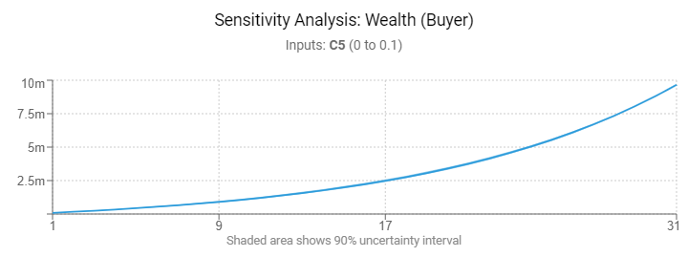
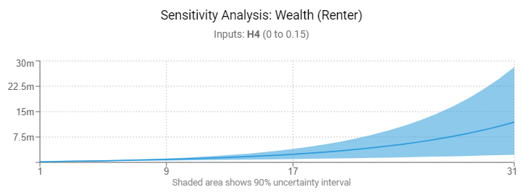
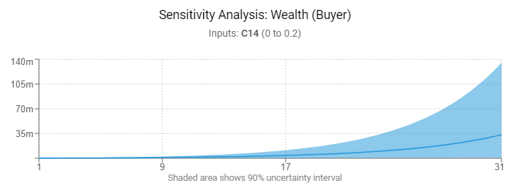

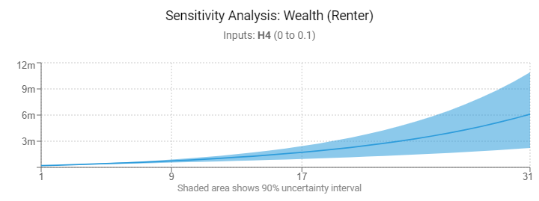
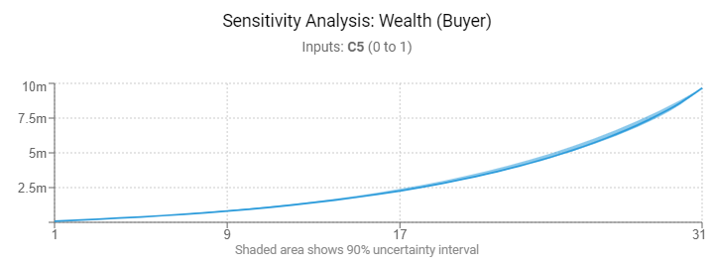

low sensitivity to interest rates

